Sheet1
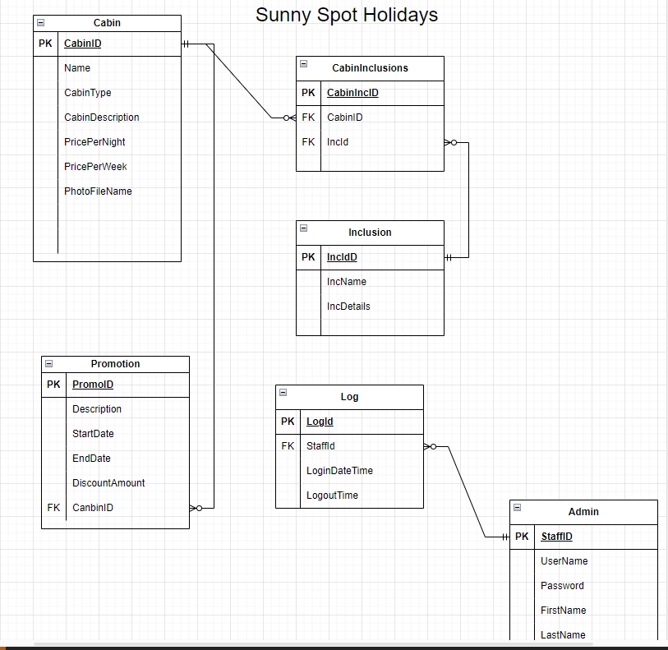
Table Name | Attribute Name | Contents | Data Type | Range | Required | Key Type | FK Referenced Field
Cabin | CabinID | Contains an ID uniquely identifying the cabin | BIGINT (auto-increment) | 99 999 999 999 | Y | PK
 | CabinName | Name of the Cabin | varchar(150) | Xxxxxx | Y
 | CabinDescription | Description of the cabin | varchar(255) | Xxxxxx | Y
 | PricePerNight | Price of the cabin per night | DECIMAL (10,2) | 99 999 999 999.99 | Y
 | PricePerWeek | Price of the cabin per week | DECIMAL (10,2) | 99 999 999 999.99 | Y
 | PhotoFileName | Photo of the Cabin | varchar(50) | Xxxxxx
CabinInclusion | cabinIncID | The ID of the cabin inclusion. | BIGINT (auto-increment) | 99 999 999 999 | Y | PK
 | CabinID | The ID of the cabin. | BIGINT | 99 999 999 999 | Y | FK | Cabin
 | IncId | The ID of the inclusion. | BIGINT | 99 999 999 999 | Y | FK | Inclusion
Inclusion | IncID | The ID of the inclusion. | BIGINT (auto-increment) | 99 999 999 999 | Y
 | incName | The name of the inclusion. | VARCHAR(55) | Xxxxxx | Y
 | incDetails | The details of the inclusion. | VARCHAR(255) | Xxxxxx
Promotion | PromoID | Contains an ID uniquely identifying the athelete | BIGINT (auto-increment) | 99 999 999 999 | Y | PK
 | Description | Description of the promotion | varchar(255) | Xxxxxx | Y
 | StartDate | Start date for this promotion | datetime | YYYY-MM-DD HH:MM:SS | Y
 | Enddate | End date for this promotion | datetime | YYYY-MM-DD HH:MM:SS | Y
 | DiscountAmount | discount amount for this promotion | decimal(10,2) | 99 999 999 999.99 | Y
 | CabinID | Includes cabin ID that needs promotions | int | 99 999 999 999 | Y | FK | Cabin
Log | LogId | The access log of the staff. | BIGINT (auto-increment) | 99 999 999 999 | Y | PK
 | StaffId | The ID of the staff. | BIGINT | 99 999 999 999 | Y | FK | Admin
 | LoginDateTime | The login date and time of the staff. | VARCHAR(200) | YYYY-MM-DD HH:MM:SS | Y
 | LogoutDateTime | The logout date and time of the staff. | VARCHAR(200) | YYYY-MM-DD HH:MM:SS | Y
Admin | StaffID | The ID of the staff. | BIGINT (auto-increment) | 99 999 999 999 | Y | PK
 | UserName | The username of the staff. | VARCHAR(200) | Xxxxxx | Y
 | Password | The password of the staff. | VARCHAR(200) | Xxxxxx | Y
 | FirstName | The first name of the staff. | VARCHAR(200) | Xxxxxx | Y
 | LastName | The last name of the staff. | VARCHAR(200) | Xxxxxx | Y
 | Adress | The address of the Staff | VARCHAR(200) | Xxxxxx | Y
 | Mobile | The mobile of the staff | VARCHAR(8) | 99 999 999 999 | Y

